SCIB
BUSINESS LOANS: EMISSIONS CALCULATED FROM SCIB INFO.

 |  |  | To be filled out by HQ
GLCS Code | NACE CODE | Gross Carrying Amount (M€) | SCOPE 1 REPORTED | SCOPE 2 REPORTED | SCOPE 3 REPORTED | Total Debt | Total Equity | SCOPE 1 FINANCED EMISSIONS | SCOPE 2 FINANCED EMISSIONS | SCOPE 3 FINANCED EMISSIONS
IBR00 | 35.11 | 1,000 | 11,270,639 | 1,893,116 | 55,597,710 | 51,525 | 58,114 | 102,798 | 17,267 | 507,098

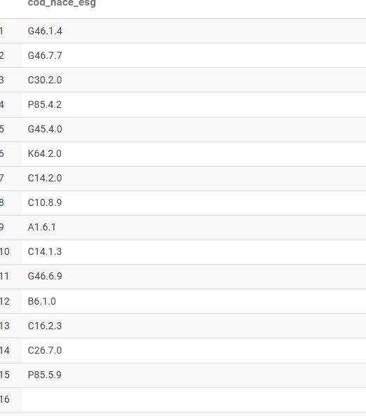
 |  |  |  |  | Dúvidas | SCIB com DQS4 ou DQS5 entra aqui? // Se scope 1 for DQS2, mas scope 3 for DQS5 entra?
*Units need to fill out the columns in red, columns in grey will be filled out by HQ |  |  |  |  |  | SCIB pode ser cruzado com input por clei -> Estes casos, assumo o KGL do input corporativo?
 |  |  |  |  | Assumption | Não entra emissões calculadas por MVL ou RE, mesmo que o cliente seja SCIB
 |  |  |  |  |  | Nace vou tirar letra e último ponto

